Introduction
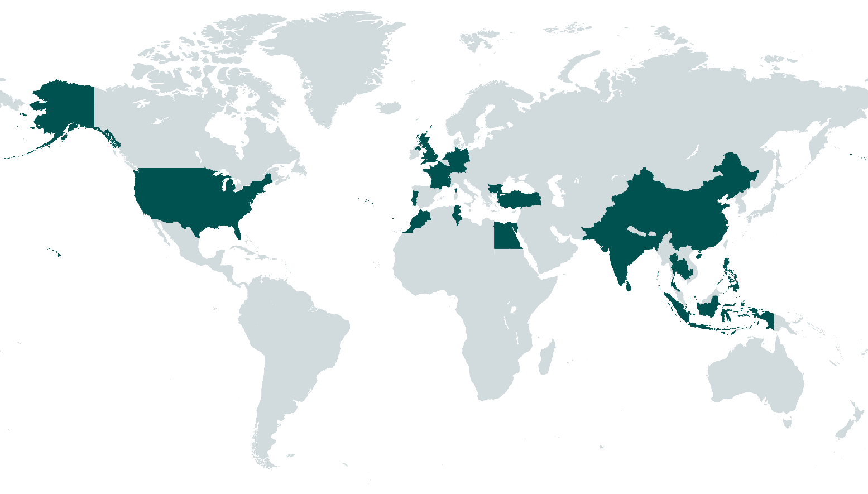
TED BAKER FACTORY LIST

This list displays our active first tier factories (where our finished good are made and shipped) and includes key factory information. We have also included a map and list of the countries these factories are located in, below. Ted Baker’s Licensed products or products made by our Joint Venture are not included in this list, however we have included a map and country list of Ted Baker Licensee sourcing locations, also below. This factory list demonstrates our pledge to greater transparency of our supply chain and will be updated every 6 months.

Due to the global pandemic, our usual due diligence processes have been impacted which could affect the accuracy of this list. We have worked hard to provide the most relevant and accurate data which is correct to the best of our knowledge.

Date published 01 April 2021

Please direct any queries to Ethical.Sustainable@TedBaker.com

More information on how we work with our factories can be found: www.tedbaker.com/uk/about-ted/sustainability

TED BAKER DIRECT SOURCING COUNTRIES

Ted Baker sources from the following countries: Bulgaria, Brazil, China, Germany, India, Indonesia, Italy, Lithuania, Morocco, Moldova, Peru, Portugal, Romania, Spain, Taiwan, Tunisia, Turkey, UK, and Vietnam.

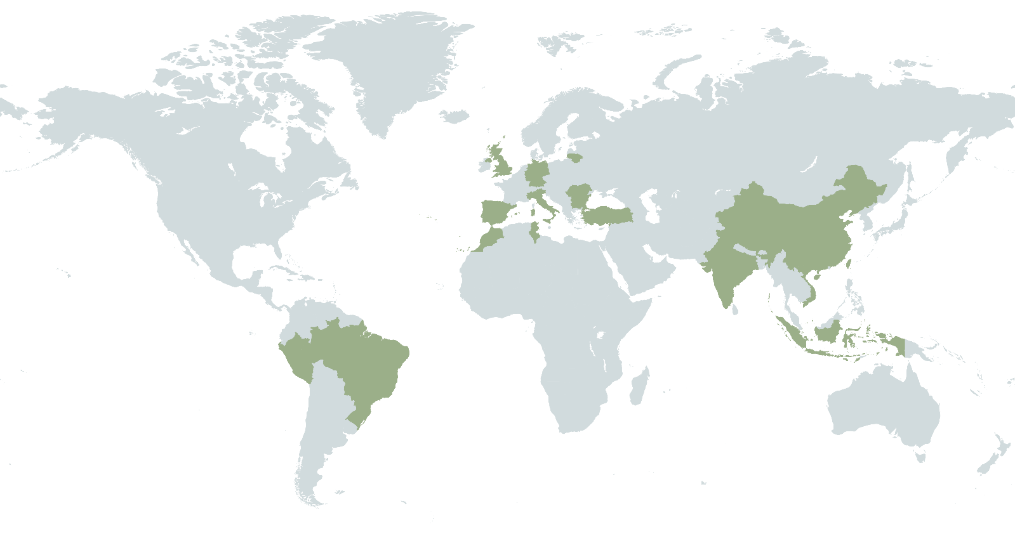

TED BAKER LICENSEE SOURCING COUNTRIES

Ted Baker work with global Licensee partners who manage their own supply chains and source separately from Ted direct products. Ted’s Licensee partners source from the following countries: Bangladesh, Bulgaria, Cambodia, China, Egypt, France, Germany, Hong Kong, India, Indonesia, Morocco, The Netherlands, Pakistan, The Philippines, Portugal, Sri Lanka, Thailand, Tunisia, Turkey, UK and the USA.

